Statistics & Graph
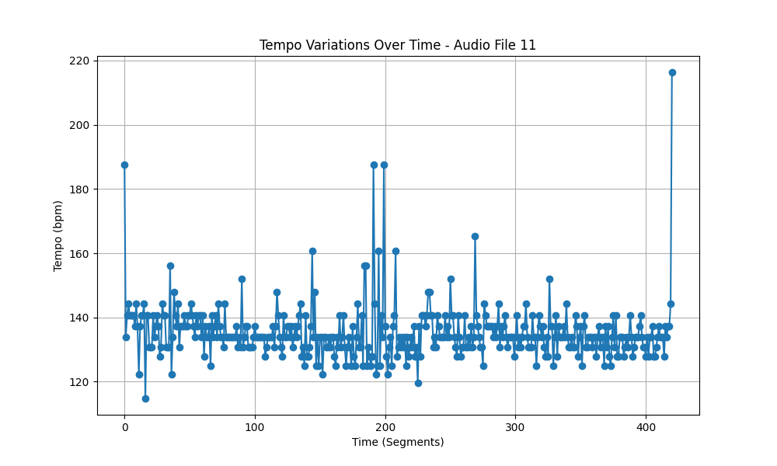
Metric | Value
Mean | 135.35948923
Standard Deviation | 8.5935447274
Coefficient of Variation (CV) | 6.3486828859

